Sheet1
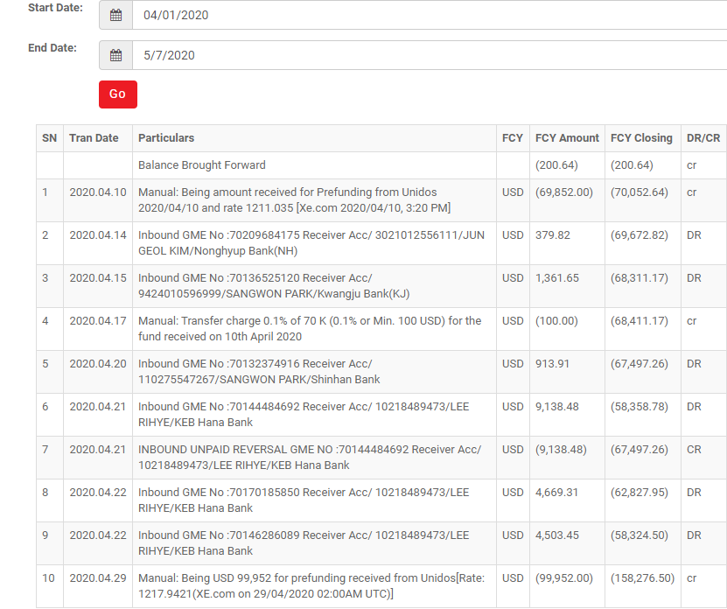
 | GME Pay portal requirement to be provided to Partners

1 | User Management
a | Add User

b | Role Setup

2 | Reports
a | Settlement Report

Date | Type | Principal Amount(USD) | Sending Comission(USD) | Settlement Amount (USD) | Payout Currency | Payout Amount
2020-05-07 | Send(Japan-korea) | 1000 | 2 | 998 | KRW | 1,100,000
2020-05-07 | cancel | -500 | -2 | -498 | KRW | 550,000
2020-05-07 | Receive(Korea-Japan) | 100 | 2 | 98 | JPY | 50000

b | Statement of Account

